EDA
Data Info
 | Recording | 正式实验10
 | Subject | 张海硕
 | Create Time | 2023-11-25 15:12:45.808
 | Data Name | Finger8 EDA
 | Data Type | EDA
 | Sample Rate | 64
 | Segment | 前静息态
 | Start Time | 0:00:34
 | End Time | 0:05:34
 | Duration | 0:05:00

Replay Chart
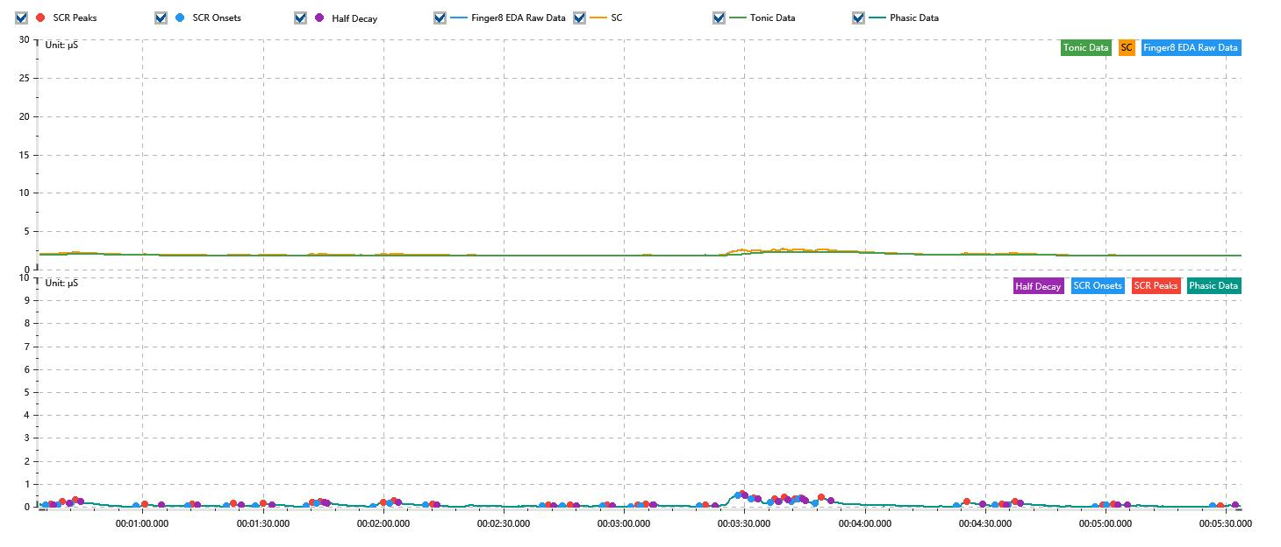

Process parameters
 | Filters
 | Smooth denoise | Enabled | 高斯 | 5(samples)
 | Lowpass filter | Enabled | 5μS
 | Skin Conductance Response
 | SCR extraction | Minimum SCR amplitude | 0.03μS
 | SCR extraction | Max rise time | 4s
 | SCR extraction | Max half decay time | 4s
 | SCR extraction | Peak dection sensitivity | 中
 | Event related activation | Window relative to event | 1s | 4s

Time Domain
 | Data | Mean | Max | Min | Std | Variance | Polar Distance | Data Length
 | SC | 1.99μS | 2.7μS | 1.78μS | 0.21μS | 0.04μS² | 0.92μS | 1200
 | Tonic | 1.91μS | 2.29μS | 1.78μS | 0.14μS | 0.02μS² | 0.51μS | 1200
 | Phasic | 0.08μS | 0.57μS | 0μS | 0.09μS | 0.01μS² | 0.57μS | 1200

SCR
 | OnsetTime | PeakTime | RiseTime | HalfDecayTime | Amp
 | 0.00041537037037 | 0.00042983796296 | 1.25s | 0.75s | 0.03μS
 | 0.00045009259259 | 0.00046456018519 | 1.25s | 1.75s | 0.18μS
 | 0.00048770833333 | 0.00050217592593 | 1.25s | 1.25s | 0.16μS
 | 0.00067578703704 | 0.0007018287037 | 2.25s | 4s | 0.08μS
 | 0.00082625 | 0.00083782407407 | 1s | 1.25s | 0.04μS
 | 0.0009362037037 | 0.00095645833333 | 1.75s | 2s | 0.11μS
 | 0.0010201157407 | 0.0010432638889 | 2s | 2.25s | 0.09μS
 | 0.0011676851852 | 0.0011850462963 | 1.5s | 3.75s | 0.17μS
 | 0.0011966203704 | 0.0012081944444 | 1s | 1s | 0.06μS
 | 0.0013586574074 | 0.0013904861111 | 2.75s | 3.75s | 0.16μS
 | 0.0014078472222 | 0.0014194212963 | 1s | 1.25s | 0.12μS
 | 0.0015120138889 | 0.0015322685185 | 1.75s | 1s | 0.04μS
 | 0.001847662037 | 0.0018650231481 | 1.5s | 1.25s | 0.04μS
 | 0.0019055324074 | 0.0019286805556 | 2s | 1.5s | 0.03μS
 | 0.0020212731481 | 0.0020357407407 | 1.25s | 1.25s | 0.04μS
 | 0.0021022916667 | 0.0021225462963 | 1.75s | 3.75s | 0.05μS
 | 0.0021312268519 | 0.0021456944444 | 1.25s | 2s | 0.07μS
 | 0.0023019444444 | 0.0023193055556 | 1.5s | 2.25s | 0.05μS
 | 0.0024118981481 | 0.0024234722222 | 1s | 0.75s | 0.08μS
 | 0.0024495138889 | 0.0024581944444 | 0.75s | 1s | 0.06μS
 | 0.0025044907407 | 0.0025189583333 | 1.25s | 0.75s | 0.15μS
 | 0.0025305324074 | 0.002545 | 1.25s | 1s | 0.22μS
 | 0.0025652546296 | 0.0025768287037 | 1s | 2.5s | 0.1μS
 | 0.0025855092593 | 0.0025941898148 | 0.75s | 0.5s | 0.04μS
 | 0.0026346990741 | 0.0026520601852 | 1.5s | 2.5s | 0.25μS
 | 0.0030426851852 | 0.0030716203704 | 2.5s | 4s | 0.19μS
 | 0.0031526388889 | 0.0031728935185 | 1.75s | 1.25s | 0.07μS
 | 0.0031902546296 | 0.0032105092593 | 1.75s | 1.5s | 0.16μS
 | 0.0034419907407 | 0.0034651388889 | 2s | 3.75s | 0.05μS
 | 0.0034738194444 | 0.0034940740741 | 1.75s | 3.5s | 0.03μS
 | 0.0037805324074 | 0.0038036805556 | 2s | 3.75s | 0.03μS

Event Related
 | Event Group | Event Name | Event Description | EventTime | SCRCount | Latency | AmpSum | SCL | Half Decay Time Avg. | Rise Decay Time Avg.
 | Custom | 前静息态采集开始 |  | 0.00039502684954 | 1 | 1.76s | 0.03μS | 1.98μS | 0.75s | 1.25s

